First Page
CSUSM

BUS 324

Test 2 Sample Problems
10/9/21

Research Hypothesis Testing

Click Here to Start

Map
Research Hypothesis Testing

Back
Click on the Yellow Cells
Areas of Acceptance and Rejection

μ, σ

Formulating Hypothesis

Problem 1
Known
Unknown

Large Sample
Large Sample
Small Sample

right-tail
Left-tails
Two-tail
Right-tail
Two-tails
Left-tail

Problem 2
Problem 4
Problem 3
Problem 5
Problem 6
Problem 7

Use t distribution
Use z distribution

Areas
Back

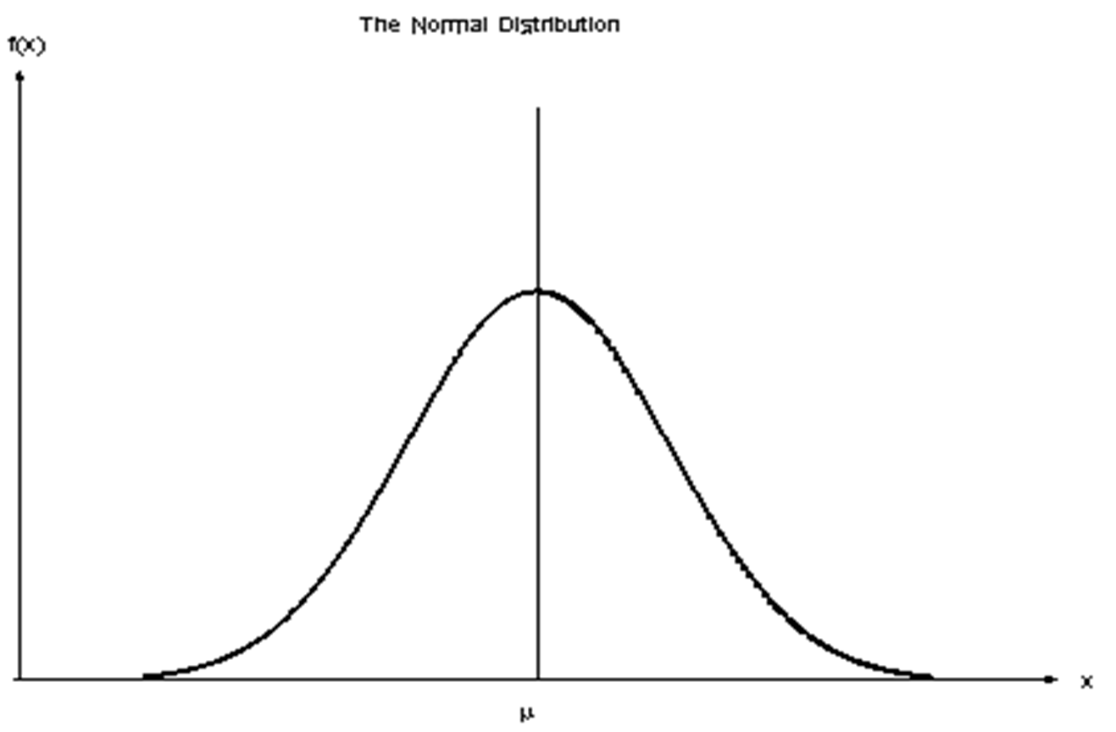


Ha Acceptance
Ha Rejection
Ha Acceptance
Ha Acceptance
Ha Rejection

Ha Rejection
Ha Acceptance

Problem 8
Back
Problem 8

6335
WTA, a major income tax preparation company, has claimed its clients save an average of more than $200 each by using the company's services.
A consumer group plans to randomly sample 64 customers to test this claim. The standard deviation of the amount saved is assumed to be $100.
Before testing, the consumer's group is interested in knowing the probability that they will mistakenly conclude that the mean savings is less than or equal to $200 when, in fact, it does not exceed $200, as the company claims.
Find β if the stipulated true population mean is $210.
Computing β

One tail,large sample

Solution

Step 1. Formulate the Ho and Ha:
Ho: µ ≤ 200
Ha: µ > 200
Step 2. Specify the desired level of significance:
α=0.05
Step 3. Construct the rejection region:
Lower one tail.
z0.05 = 1.6449
Step 4. Compute the critical value:
$\overline{X}$ =-µ + z(σ/$\sqrt{n}$) = 220.56
Step 5. Specify the stimulated value for µ:
The null hypothesis is false for all values greater than $200. What is beta if the stipulated mean is $210?
Step 6. Compute the test statistics:
z(test) =$\overline{(x}$-µ)/(σ/$\sqrt{n }$ = 0.844
Step 6. Determine β:
for z = 0.84
β = 0.5 + 0.2995 = 0.7995
There is a 0.7995 probability that the hypothesis test will lead the consumer agency to mistakenly believe that the mean tax savings is less than or equal to $200 when, in fact, the mean savings is $210.
.

z0.05= |  | -1.644853627 | 1.644853627

Critical Value
x(bar)= |  | 220.5625

z(test)= |  | 0.8448 |  | 0.29954580674

β= | 0.79954580674

Problem 7
Back
Problem 7

6321
The Quest Company operates service centers in various cities where customers can call to get answers to questions about their bills.
Previous studies indicate that the distribution time required for each call is normally distributed, with a mean equal to 540 seconds.
Company officials have selected a random sample of 16 calls and wish to determine whether the mean call time is now fewer than 540 seconds after a training program given to call-center employees.
α = 0.01
$\overline{X}$ = 510 sec.
s = 45 sec.
 | Hypothesis test for µ,σ unknown, small sample

 | One left tail

Solution

-2.6667
-2.6025
0
Step 1. Specify the population value of interest:
The mean call time is the population value of interest.
Step 2. Formulate the Ho and Ha:
Ho: µ ≥ 540
Ha: µ < 540
Step 3. Specify the desired level of significance:
α = 0.01 When you use the Excel TINV function you need to write: TINV(0.02,15)
Step 4. Construct the rejection region:
Lower one-tail.
t(critical value) = -2.6025
Step 5. Compute the test statistics:
s = ($\overline{X}$-µ)/(s/$\sqrt{n}$) = -2.6667
Step 6. Reach a decision:
Because t = -2.6667 < -2.6025, the Ha should be accepted and Ho rejected.
Step 7. Draw a conclusion:
The company can conclude that the mean time for service calls have been reduced below 540 seconds.

This is a small sample of 16
16-1=15 degrees of freedon

Insert
Insert

Step 4.

α =
n =
 |  |  |  |  | 0.01 | 16

2α =
d.f. =
 |  |  |  |  | 0.02 | 15
Will be calculated

 |  |  |  | t(critical value)= |  | -2.6025

Step 5.

$$\overline{X}=$$
 |  | 510

μ =
Insert
 |  | 540

s =
 |  | 45

n =
 |  | 16

$\sqrt{n}$ =
 |  | 4
Will be calculated

t(test)= |  | -2.6667

Step 6.

Decision Rule

 | Test Statistic |  | Critical Value |  | Mean

 | -2.6667 |  | -2.6025 |  | 0

Ha rejection region
Ha acceptance region

Problem 6
Back
Problem 6

6320
A DFIC uses a filling machine for its 64-ounce cartons.
There is some variation in the actual amount of ice cream that goes into the carton.
The machine can go out of adjustment and put a mean amount either less or more than 64 ounces in the cartons.
To monitor the filling process, the production manager selects a simple random sample of 16 filled ice cream cartons each day.
$\overline{X }$= 64.2, s = 0.72
Test whether or not the machine is in the adjustment (works properly.)
 | Hypothesis test for µ,σ unknown,small sample

This is two a tail-test

Solution

Step 1. Specify the population value of interest:
The manager is interested in the mean amount of ice cream that goes into the carton..
Step 2. Formulate the Ho and Ha:
The status quo is that the machine continues to fill ice cream cartons with a mean equal to 64 ounces.
Ho: µ = 64 ounces (machine is in adjustment)
Ha: µ ≠ 64 ounces (machine is out of adjustment)
Step 3. Specify the desired level of significance:
α=0.05
Step 4. Construct the rejection region:
This is a two-tail , t-distribution test.
Degrees of freedom = n-1 = 16-1 =15
t (critical value) = 2.1314
Step 5. Compute the test statistics:
Assume: s = 0.72 and n = 16
t(test)=($\overline{X}$-µ)/(s/$\sqrt{n}$) =1.1111
Step 6. Reach a decision:
Because t(test 1.1111) >-2.13 and t(test 1.111) < 2.13, we reject the Ha hypothesis and do not reject the Ho hypothesis.
Step 7. Draw a conclusion:
Based on the sample data, the company has no reason to believe that the filling machine is out of adjustment.

-2.1314
0
1.1111
2.1314

This is a small sample of 16

 |  |  |  |  |  |  |  | Path: Formulas to Statistical to TINV.2T

Step 4.

n =
α =
df= =
n =
t(critical)= |  | 2.1314 |  |  | 0.05 | 16 | 15

Insert
Will be Calculated
Insert
Will be Calculated

Step 5.

$\overline{X}$ =
 | 64.2

Insert
µ =
 | 64

s =
 | 0.72

n =
 | 16

$\sqrt{n}=$ =
 | 4
Will be Calculated

t(test statistic)= |  |  | 1.1111
Step 6.

Decision Rule

 | Critical Value |  |  | Test Statistic |  | Critical Value

 | -2.1314 |  |  | 1.1111 |  | 2.1314

Critical Values and Test Statistic must be equal to accept the Ho

Problem 5
Back
Problem 5

6318
Engineers at the American Lighting Company recently developed a new three-way light bulb that they claim is more energy efficient than the company's current three-way bulb.
They also claim that the new bulb will outlast the current bulb, which has an average lifetime of 700 hours.
A random sample of 100 new light bulbs was selected, and the following sample results were reported:
$\overline{X}$=702 hours
s=15 hours
Test the claim using an alpha = 0.1 level.

 |  | Hypothesis test for µ, σ unknown, large sample

 |  | One right tail

Solution

0
1.3333
1.2816
Step 4:

Step 1. Specify the population value of interest:
The company is interested in the mean life of the bulb.
Step 2. Formulate the Ho and Ha:
The company claimed the mean will exceed 700 hours. This is the research hypothesis.
Ho: µ ≤ 700 hours
Ha: µ > 700 hours
Step 3. Specify the desired level of significance:
α = 0.1 (1-0.1 = 0.9)
Step 4. Construct the rejection region:
Because the sample size is large, the critical value can be approximated using a z-value from the standard normal distribution for one tailed test.
z = 1.281
Step 5. Compute the test statistics:
z = ($\overline{X}$-µ)/(s/$\sqrt{n}$) = 1.333
Step 6. Reach a decision:
Because z = 1.33 > 1.28, we accept the Ha hypothesis and reject the Ho hypothesis.
Step 7. Draw a conclusion:
Conclude that the new bulb does have a higher mean life than the original.
NORMS.INV(0.9)
 | z(critical)= |  |  | 1.2816

Step 5:
$\overline{X}$=
 |  | 702

$µ$=
Insert
 |  | 700

s =
 |  | 15
n =
 |  | 100

$\sqrt{n}$ =
Will be calculated
 |  | 10

z(test)= |  |  | 1.3333

Step 6:

Mean
Critical Value
Test Statistic

0 |  |  |  | 1.2816 | 1.3333

Reject Ha
Accept Ha

Problem 4
Back
Problem 4

6317
The WGC has a contract to supply plate glass for home and commercial windows.
The contract specifies that the mean thickness of the glass must be 0.375 inches.
The σ=0.05 inch. Before sending the first shipment, managers wish to test whether they are meeting the requirements by selecting a random sample of n=100 thickness measurements.
Assume $\overline{x}$=0.378 inch

 | Hypothesis test for µ,σ known, large sample

 | Two Tails

Solution

Region of Ha Acceptance
Region of Ha Acceptance
Step 1: Specify the population of interest:
The mean thickness of glass is of interest.
Step 2: Formulate the null and alternative hypothesis:
Ho = 0.375
Ha ≠ 0.375 (claim)
Step 3: Specify the significance level:
α = 0.05 (Since this is a two tailed test we use α/2 = 0.025
Step 4: Construct the rejection region:
zα/2=-1.9600 zα/2=1.9600
Step 5: Compute the test statistic:
z=($\overline{X}$-µ)/(σ/$\sqrt{n}$)=0.6
Step 6: Reach a decision based on the decision rule:
The decision rule : if z(test statistic) <-1.96 or z(test statistic) >1.96 accept Ha and reject Ho.
Because z (test) = 0.6 > -1.96 and z(test) = 0.6 < 1.96 we do not accept the Ha and hence, do not reject the Ho.
Step 7: Draw a conclusion:
There is no sufficient evidence to conclude that the company does not meet the contract.

-1.96
0.6
1.96

Region of Ha Rejection

Step 4

NORMS.INV(0.025)
z(critical value)= |  |  |  | -1.9600

NORMS.INV(0.975)
z(critical value)= |  |  |  | 1.9600

Step 5

$$\overline{X}$$
 |  | = | 0.378

 | µ | = | 0.375
Insert

 | s.d. | = | 0.05

 | n | = | 100 |  |  | σ
$$\sqrt{n}$$
Will be calculated
 |  | = | 10

z(test)= |  | 0.6000

Step 6

 | Critical Value |  |  |  | Test Statistic |  | Critical Value

 | -1.9599639845 |  |  |  | 0.6000 |  | 1.9599639845

Problem 3
Back
Problem 3

6315
The Elgin Heart Institute performs many open-heart surgery procedures.
Recently research physicians at Elgin have developed a new heart bypass surgery procedure that they believe will reduce the average recovery time.
The hospital board will not recommend the new procedure unless there is substantial evidence to suggest that it is better than the existing procedure.
Records indicate that the current mean recovery rate for the standard procedure is 42 days, with a standard deviation of 5 days.
To test whether the new procedure actually results in the lower mean recovery time, the procedure was performed on a random sample of 36 patients.
Conduct a test and draw a conclusion.

Hypothesis test for µ,σ known, large sample

One left tail
95% significance level is the default value.

Solution

Ha < 42 (Claim)

Step 1: Specify the population of interest:
We are interested in mean recovery time.
Step 2: Formulate the null and alternative hypothesis:
The new claim is that µ > 40. Because this is different from past studies, it will become the alternative hypothesis:
Ho ≥ 42
Ha < 42 (claim)
Step 3: Specify the significance level:
α = 0.05 (this is the probability)
Step 4: Construct the rejection region:
z = -1.6449
Step 5: Compute the test statistic:
z = ($\overline{X}$-µ)/(σ/sqrt (n)) = -2.400
Step 6: Reach a decision based on the decision rule:
The decision rule : if z <-1.6449 accept Ha and reject Ho.
z = test statistic
Because z = -2.400 < -1.6449, we accept the Ha and reject Ho
Step 7: Draw a conclusion:
There is sufficient evidence to conclude that the new bypass procedure does result in a shorter average recovery period.

-2.400
-1.6449
0

 | Step 4

NORMS.INV(0.05)
 | z(critical value) = |  |  |  | -1.644853627

Compute Test Statistic
 | Step 5

$$\overline{X}$$
 |  |  | = | 40

 |  | µ | = | 42
Insert

 |  | s.d. | = | 5

 |  | n | = | 36 |  |  | σ
$$\sqrt{n}$$
Will be calculated
 |  |  | = | 6

 |  | -2.4000

 | Step 6

 | Test Statistic |  |  |  |  | Critical Value |  | Mean

 | -2.4000 |  |  |  |  | -1.644853627 |  | 0

Accept Ho
Reject Ho

Problem 2
Back
Problem 2

To perform the hypothesis test, we need to select a cutoff point that is the demarcation between rejecting and not rejecting the null hypothesis.
Our decision rule states how we will apply this demarcation point.
For example: if the $\overline{x}$ is less than the cut-off then we accept the Ha and consequently reject the Ho.

6312
A study in southern California claimed that the mean commute time for all employees working in Orange County exceeds 40 minutes.
The figure is higher than what has been assumed in the past. The plan is to test this claim using α equal to 0.05 and a sample size of n = 100 commuters.
Based on the previous studies, suppose that the population standard deviation is known to be σ = 8 minutes and $\overline{X}$ = 43.5 minutes.
Draw a conclusion based on the hypothesis test.

Hypothesis test for µ,σ known, large sample

Right tail

Cut-off

Solution

α

0

Step 1: Specify the population value of interest:
The population value of interest is the mean commute time, µ.
Step 2: Formulate the null and alternative hypothesis:
The new claim is that µ > 40. Because this is different from past studies, it will become the alternative hypothesis:
Ho ≤ 40 minutes
Ha > 40 minutes (claim) Indicates the right hand side
Step 3: Specify the significance level:
α = 0.05 (1 - 0.05 = 0.95 to be used with Excel).
We will use it to calculate the Critical Value.
Step 4: Construct the rejection region
Calculate the Critical Value (the cut-off point):
z = 1.6449 NORM.S.INV(0.95)
Step 5: Compute the Test Statistic:
z=($\overline{X}$-µ)/(σ/$\sqrt{n}$ ) = 4.3750
Step 6: Reach a decision based on the decision rule:
The decision rule : if z (test) ˃ 1.6449 accept Ha and reject Ho.
Because z (test) = 4.3750 > 1.6449, we accept Ha and reject Ho
Step 7: Draw a conclusion:
Conclude that the mean commute distance does exceed 40 minutes.

Calculate the Critical Value

Step 3
Type 1 Error = Rejecting the Ho when in fact it is true
α = Significance level = the maximum allowable probability of committing a Type I statistical error.
then 1-α =the probability that the Type I error will not be committed.

=1-α =0.95

0
1.6449

Calculate the Critical Value
Step 4

NORM.S.INV(0.95)
Critical Value
z(critical value) = |  |  |  | 1.6449

Compute the Test Statistic
Step 5

Test Statistic Calculator

$$\overline{X}$$
 |  | = | 43.5
Test Statistic

 | µ | = | 40
Insert

 | s.d. | = | 8

 | n | = | 100 |  |  | σ
1.6449
0
4.3750
$$\sqrt{ n}$$
Will be calculated
 |  | = | 10

 | 4.3750
Ha Acceptance
hence
Ho Rejection

Decision Rule

Step 6

 |  | Mean |  |  | Critical Value |  | Test Statistic

 |  | μ = 0 |  |  | 1.6449 |  | 4.375

Ha Rejection Region
Ha > 40 Acceptance Region

Problem 1
Back
Solution
Problem 1

6305
In today's economy, many university students work many hours, often full time, to pay for the high cost of a college education.
Suppose a university was considering changing its class schedule to accommodate students working long hours.
The registrar has stated a change was needed because the mean number of hours worked by undergraduate students at the university is more than 20 per week.
Develop the appropriate null and alternative hypothesis.
Step 1. Determine the population of interest:
In this case, the population value of interest in the mean hours worked, µ. The null and alternative hypothesis must be stated in terms of the population values.
Step 2. Define the situation that is assumed to be true unless substantial information exists to suggest otherwise:
Because changing the class scheduling system would be expensive and time consuming, the assumption is made that the mean hours worked is less than or equal to 20 hours per week. The burden of proof is placed on the registrar to justify her claim that the mean exceeds 20 hours.
Step 3. Formulate the null and alternative hypotheses:
Ho: µ ≤ 20 hours
Ha: µ ˃ 20 hours

