1
Back
Problem 1

Red Render 95
Which brand should be chosen using the EMV approach?
a) Write the Brand
b) The EMV of that brand

Answer

Cloud Veil 65.50
 | States of Nature
Brand | 1 | 2 | 3 | 4
Patagonia | 50 | 102 | 30 | 58 | 57.00
North Face | 60 | 94 | 20 | 62 | 53.00
Cloud Veil | 45 | 90 | 50 | 74 | 65.50
Columbia | 55 | 82 | 20 | 70 | 51.50
Probabilities | 0.1 | 0.25 | 0.4 | 0.25

2
Back
Problem 2
Answer

One line of radial tires produced by a large corporation has a wear-out life that can be modeled using a normal distribution with a mean of 25,000 and standard deviation of 1,000.
a) What percentage of tires can be expected to last more than 28,000 miles?
b) Less than 28,000 miles?
c) What percentage of these tires are expected to last exactly 25,000 miles?
 |  | µ | 25000

 |  | σ | 1000

 |  | x | 28000

 |  | z= | 3

 | a) | 1-P= | 0.0013

 | b) | P= | 0.9987

 | b) | P= | 0.5000

120

3
Back
Problem 3

Three distributions have the characteristics as shown below.
a) Which distribution has the absolute value of its z-score located the furthest from the mean?
b) What is the value of this z-score?
Answer

C = 0.8696
 | µ | σ | x
A | 55,600 | 7,000 | 50,000 | z | -0.8000
B | 43.4 | 5.05 | 40 | z | -0.6733
C | 8 | 2.3 | 10 | z | 0.8696

Standardized

-0.80
-0.67
0
0.8696

4
Back
Problem 4

Estimated profits under each of the two possible states of nature are shown in the table below.
Two approaches are considered by management:
a) LaPlace
b) Hurwicz (α=0.7)
Using each approach, select the best alternative and show the calculated value for that alternative.

Answer

 | Next Year's Demand
Alternative | High | Low | a | b
Do Nothing | $120 | $70 | 95 | 105
Expand | $100 | $50 | 75 | 85
Subcontract | $40 | $10 | 25 | 31

5
Back
Problem 5

There is a new project proposal that is supported by the following data:
initial investment that is required:
$ 55,000
duration:
7 years
expected yearly cash inflows:
$17,000
proposed discount rate:
7%
a) Should this project be accepted based on the NPV analysis?
b) What is the NPV of this project?
Firm's Cost of Capital |  | 7%
 | Year-End Cash Flow
Year | Project A
0 | -55,000
1 | 17,000
2 | 17,000
3 | 17,000
Long Form Solutions
4 | 17,000
5 | 17,000
6 | 17,000
7 | 17,000
PVFCF | 91,618 |  | 91,618
Initial Investment | (55,000) |  | (55,000)
NPV | 36,618 |  | 36,618
Project Choice | Yes

This project has the Positive NPV of $36,618

6
Back
Problem 6
Answer

Anderson blue 13
New Case Co. produces a variety of storage cases. Suppose that the set up cost is $8,000. This is a fixed cost that is incurred regardless of the number of units eventually produced. In addition, suppose that variable labor and material costs are $7 for each unit produced. Also, assume that the selling price per unit is $12.
a) What is the break-even point in revenue dollars?
b) What is the break-even point in units?

 | Fixed Investment | $8,000

 |  |  |  | a)

 | Variable Costs | $7

 |  |  |  | F/(1-(V/P) | $19,200

 | Selling Price | $12

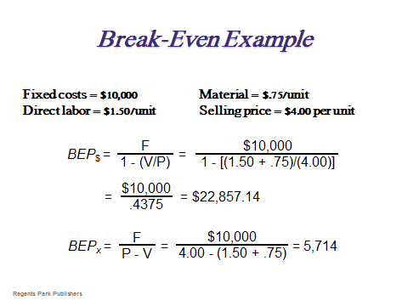

 | Fixed Investment |  | $8,000 | b) | 1,600

1 | Variable Costs |  | $7

 | Selling Price |  | $12

 | Production Volume |  | 1,600

 | Total Revenue |  | $19,200

 | Total Cost |  | $19,200

 | Total Profit |  | $0

7
Back
Problem 7
Answer

Use the Goal Seek Function

Anderson blue 13
New Case Co. produces a variety of storage cases. Suppose that the set up cost is $5,000. This is a fixed cost that is incurred regardless of the number of units eventually produced.
In addition, suppose that variable labor and material costs are $9 for each unit produced.
Also, assume that the selling price per unit is $12.
How many units have to be produced and sold to realize the profit of $12,000?
 | Fixed Investment | $5,000

1 | Variable Costs | $9

 | Selling Price | $12

 | Production Volume | 5,667

 | Total Revenue | $68,000

 | Total Cost | $56,000

 | Total Profit | $12,000

8
Back
Problem 8
Answer

Groeber 6 210 5.49
One of the challenges facing FEMA during the Puerto Rico's hurricane Maria aftermath was the Johnson Act.
The act is the law. It states that foreign ships or crew are prohibited from delivering cargo to U.S. ports.
The law was put in place to protect American jobs.
The U.S. fleet did not have the capacity to deliver supplies to Puerto Rico.
Should this law be broken?
Use the decision tree approach (draw on your answer sheet) to show the decision making process that you applied to arrive to your conclusion.
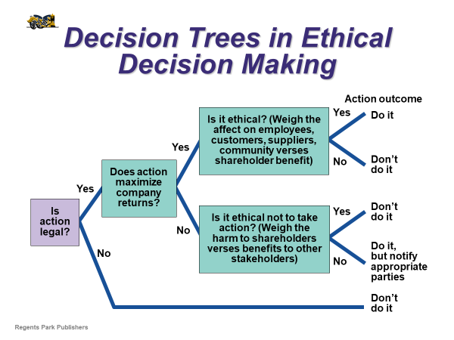

Do not do it. It is illegal.

9
Back
Problem 9

Answer

Find the probability between two values of z:
a) -$∞$ and $∞$
b) -1.23 and -1.24

a

1 or 100%

b

NORM.S.DIST | 0.1093

NORM.S.DIST | 0.1075

Probability | 0.0019

10
Back
Answer
Problem 10

Rooney 21
a) How many dollars do you need to deposit today into your retirement account in order to receive $100,000,000 in 40 years? Assume that your bank will pay 3% interest each of these years.
b) Now, lets assume that you have an option to receive $1,000,000 in 39 years. The interest rate is 3%. What should your initial investment be?
c) What should the interest rate paid by your bank be if you deposit $250,000 today and want to receive $1,000,000 in 40 years?
a) | Present Value of a Single Amount
 | Future value | $100,000,000
 | Interest rate | 3%
 | Number of Periods | 40
 | Present Value of a Single Amount | $30,655,684.08

b) | Present Value of a Single Amount
 | Future value | $1,000,000
 | Interest rate | 3%
 | Number of Periods | 39
 | Present Value of a Single Amount | $315,753.55

c) | Present Value of a Single Amount
 | Future value | $1,000,000
 | Interest rate | 0.035
 | Number of Periods | 40
 | Present Value of a Single Amount | 250,000

Content
Back

Content

Problem 1
Problem 6

Problem 2
Problem 7

Inquiry Form
Problem 3
Problem 8

Problem 4
Problem 9

Problem 5
Problem 10

FirstPage
Operations Management

OM 302
Spring 2018

Answers
Test 1

Click Here to Start

Inquiry Form
Back
Inquiry Form
If you would like me to review any of your test answers please fill this Inquiry Form.
When done, please:
1. Save this file.
2. E-mail the entire file to:
dpodobas@csusm.edu

Your name: Type here
Class section (Day): type here
Class time: Type here

Problem to be reviewed:
A
Reason:
A
My solution and rationale:
A

Problem to be reviewed:
A
Reason:
A
My solution and rationale:
A

Problem to be reviewed:
A
Reason:
A
My solution and rationale:
A

Problem to be reviewed:
A
Reason:
A
My solution and rationale:
A

