FirstPage
OM 302 F21

Test 3
v.3
12/5/21

Answers

Click Here to Start

Content Master
Back
OM 302 Test 3 v.03

Content

Problem 1
Problem 2
Problem 3

Problem 6
Problem 4
Problem 5

Problem 8
Problem 9
Problem 7

Problem 10

Check Problem 1
Check Problem 1
Back
Workspace

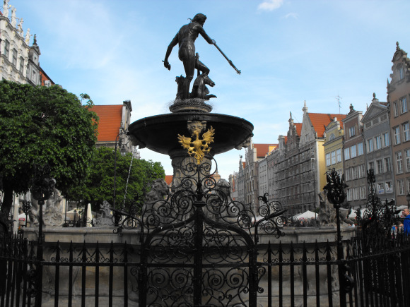
Gdansk

361
179
195

Torun
Gdansk
216
185

Poznan
60
Warsaw

Gdansk
Lodz
147
233
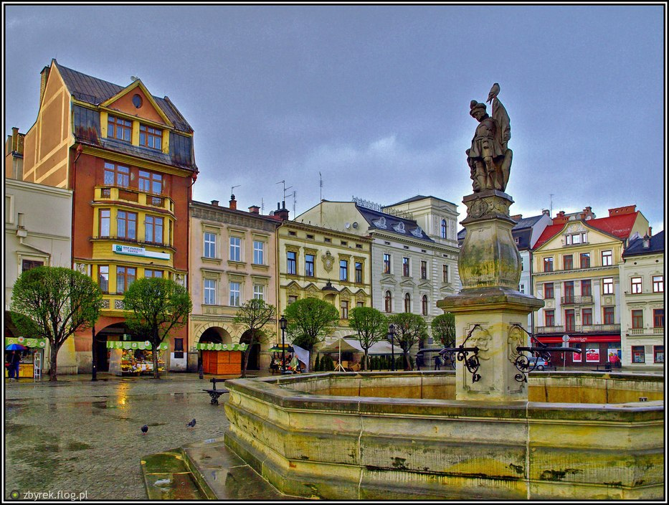
175
205
293
Lublin

Wroclaw
238
Krakow

271
127
276

Cieszyn
308
Prague
Cieszyn
329
216

167
Kosice
Brno

300
366
362
138

Bratislava

193
Budapest
Budapest

Problem 1d
Back
Problem 1
Next

Pasternak 245
Governments of Hungary, Czech Republic, Slovakia, and Poland are interested in building a highway system similar to the Interstate Highway system of the United States and Autobahn in Germany.
The particular interest in creating this network is to connect the city of Budapest (which is land-locked) with the Polish Baltic port of Gdansk.
There is a set of existing local routes, shown on the next page, that could be expanded and re-designed to link these two cities as an interstate corridor.
Find the shortest path that would make this possible. reason, the preference is that the first leg of that connection links the capital of Hy
All distances are shown in kilometers. What is the shortest distance in kilometers?

Problem 1
Problem 1 cont.
Back
Workspace

Check

Gdansk

361
179
195

Torun
Gdansk
216
185

Poznan
60
Warsaw

Gdansk
Lodz
147
233

175
205
293
Lublin

Wroclaw
238
Krakow

271
127
276

Cieszyn
308
Prague
Cieszyn
329
216

167
Kosice
Brno

300
366
362
138

Bratislava

193
Budapest
Budapest

Check Problem 2
Workspace
Back
Back
Check Problem 2
Check Problem 2

The BBS firm currently spends $1,200,000 per quarter for 200,000 modules that are needed during a year in production of its final product.
Management wants to bring production of this module "in-house".
The accounting department has advised that additional costs will have to be incurred when the part is manufactured "in-house".
These costs are: fixed, labor, factory overhead, raw materials.

What is the unit equivalency (indifference) cost?
Meaning, at what price point it does not matter where this part is sourced from.

Problem 2
Workspace
Back
Back
Check Problem 2
Problem 2
Check

The BBS firm currently spends $1,200,000 per quarter for 200,000 modules that are needed during a year in production of its final product.
Management wants to bring production of this module "in-house".
The accounting department has advised that additional costs will have to be incurred when the part is manufactured "in-house".
These costs are: fixed, labor, factory overhead, raw materials.

What is the unit equivalency (indifference) cost?
Meaning, at what price point it does not matter where this part is sourced from.

Check Problem 3
Back
Check Problem 3

Workspace

a) Using the North-west Corner Rule, calculate the approximate
transportation cost given the following information.
b) Is this problem balanced or unbalanced?
c) What is the surplus or deficit, if any?

 | Warehouse A | Warehouse B | Warehouse C | Plant Supply
Plant W | $12 | $10 | $7 | 350
Plant X | $20 | $9 | $6 | 500
Plant Y | $18 | $10 | $10 | 300
Warehouse Demand | 400 | 600 | 200

Inside the table are costs to ship one unit.

Problem 3
Back
Problem 3

Workspace
Check

a) Using the North-west Corner Rule, calculate the approximate
transportation cost given the following information.
b) Is this problem balanced or unbalanced?
c) What is the surplus or deficit, if any?

 | Warehouse A | Warehouse B | Warehouse C | Plant Supply
Plant W | $12 | $10 | $7 | 350
Plant X | $20 | $9 | $6 | 500
Plant Y | $18 | $10 | $10 | 300
Warehouse Demand | 400 | 600 | 200

Inside the table are costs to ship one unit.

Check Problem 4
Back
Check Problem 4

Workspace

The coordinates of each site and the shipment volumes are shown below.
Calculate the coordinates of the optimum location of the new warehouse
needed to serve these locations. Use the Center of Gravity method.
Select the x and y coordinates.

Location | X Coordinate | Y Coordinate | Volume
A | 700 | 150 | 350
B | 450 | 350 | 800
C | 350 | 400 | 700
D | 25 | 450 | 400

Problem 4
Back
Problem 4

Check
Workspace

The coordinates of each site and the shipment volumes are shown below.
Calculate the coordinates of the optimum location of the new warehouse
needed to serve these locations. Use the Center of Gravity method.
Select the x and y coordinates.

Location | X Coordinate | Y Coordinate | Volume
A | 700 | 150 | 350
B | 450 | 350 | 800
C | 350 | 400 | 700
D | 25 | 450 | 400

Check Problem 5
Back
Check Problem 5
Workspace

Calculate the expected completion time for activity G.

Activity | Time Estimates |  |  | Predecessors
 | a | m | b
A | 2 | 4 | 7 | _
B | 2 | 6 | 7 | A , D
C | 3 | 4 | 6 | D
D | 6 | 12 | 12 | A
E | 3 | 6 | 12 | D
F | 6 | 8 | 16 | B , C
G | 2 | 8 | 9 | E , F

 |  |  |  |  | `

Problem 5
Back
Problem 5
Workspace
Check

Calculate the expected completion time for activity G.

Activity | Time Estimates |  |  | Predecessors
 | a | m | b
A | 2 | 4 | 7 | _
B | 2 | 6 | 7 | A , D
C | 3 | 4 | 6 | D
D | 6 | 12 | 12 | A
E | 3 | 6 | 12 | D
F | 6 | 8 | 16 | B , C
G | 2 | 8 | 9 | E , F

 |  |  |  |  | `

Check Problem 6
Back
Check Problem 6
Workspace

Krajewski 363
Three international vendors are under consideration. The preference matrix is shown below.
a) Which vendor should be selected?
b) What is the score for this vendor?

 | Score (scale: 0 to 10)
Criterion | Weight | Vendor A | Vendor B | Vendor C
Total Cost | 25 | 5 | 8 | 9
On-time Delivery | 30 | 9 | 6 | 7
Consistent Quality | 30 | 8 | 9 | 6
Environment | 15 | 9 | 6 | 8

Problem 6
Back
Problem 6
Workspace
Check

Krajewski 363
Three international vendors are under consideration. The preference matrix is shown below.
a) Which vendor should be selected?
b) What is the score for this vendor?

 | Score (scale: 0 to 10)
Criterion | Weight | Vendor A | Vendor B | Vendor C
Total Cost | 25 | 5 | 8 | 9
On-time Delivery | 30 | 9 | 6 | 7
Consistent Quality | 30 | 8 | 9 | 6
Environment | 15 | 9 | 6 | 8

Check Problem 7
Back
Check Problem 7
Workspace

What is the probability of completing this project within 20 days?

Activity | Earliest Start (ES) | Latest Start (LS) | Earliest Finish (EF) | Latest Finish (LF) | Slack | Critical Path | Optimistic, Most probable, and pessimistic Activity time Estimates (in Weeks)
 |  |  |  |  | (LS-ES)
A | 0 | 0 | 6 | 6 | 0 |  | Activity | Optimistic (a) | Most Probable (m) | Pessimistic (b)
B | 0 | 7 | 2 | 9 | 7 |  | A | 4.00 | 7.00 | 12.00
C | 6 | 10 | 9 | 13 | 4 |  | B | 1.00 | 2.00 | 5.00
D | 6 | 7 | 11 | 12 | 1 |  | C | 2.00 | 4.00 | 7.00
E | 6 | 6 | 9 | 9 | 0 |  | D | 3.00 | 5.00 | 11.00
F | 9 | 13 | 11 | 15 | 4 |  | E | 2.00 | 4.00 | 6.00
G | 11 | 12 | 14 | 15 | 1 |  | F | 1.50 | 3.00 | 5.00
H | 9 | 9 | 13 | 13 | 0 |  | G | 1.50 | 4.00 | 4.50
I | 13 | 13 | 15 | 15 | 0 |  | H | 2.50 | 4.00 | 7.50
J | 15 | 15 | 17 | 17 | 0 |  | I | 1.50 | 3.00 | 3.50
 |  |  |  |  |  |  | J | 1.00 | 2.00 | 3.00

Problem 7
Back
Problem 7
Workspace
Check

What is the probability of completing this project within 20 days?

Activity | Earliest Start (ES) | Latest Start (LS) | Earliest Finish (EF) | Latest Finish (LF) | Slack | Critical Path | Optimistic, Most probable, and pessimistic Activity time Estimates (in Weeks)
 |  |  |  |  | (LS-ES)
A | 0 | 0 | 6 | 6 | 0 |  | Activity | Optimistic (a) | Most Probable (m) | Pessimistic (b)
B | 0 | 7 | 2 | 9 | 7 |  | A | 4.00 | 7.00 | 12.00
C | 6 | 10 | 9 | 13 | 4 |  | B | 1.00 | 2.00 | 5.00
D | 6 | 7 | 11 | 12 | 1 |  | C | 2.00 | 4.00 | 7.00
E | 6 | 6 | 9 | 9 | 0 |  | D | 3.00 | 5.00 | 11.00
F | 9 | 13 | 11 | 15 | 4 |  | E | 2.00 | 4.00 | 6.00
G | 11 | 12 | 14 | 15 | 1 |  | F | 1.50 | 3.00 | 5.00
H | 9 | 9 | 13 | 13 | 0 |  | G | 1.50 | 4.00 | 4.50
I | 13 | 13 | 15 | 15 | 0 |  | H | 2.50 | 4.00 | 7.50
J | 15 | 15 | 17 | 17 | 0 |  | I | 1.50 | 3.00 | 3.50
 |  |  |  |  |  |  | J | 1.00 | 2.00 | 3.00

Check Problem 8
Back
Check Problem 8
Workspace

Stevenson 477
The following table represents a network with the arcs identified by their starting and ending nodes.
Use the minimal spanning tree method to find the minimum distance required to connect these nodes. Hint: draw a network diagram first.

Arcs between Nodes | Distance
1 - 2 | 320
1 - 3 | 100
1 - 4 | 200
2 - 4 | 80
3 - 4 | 100
3 - 5 | 120
4 - 5 | 120
4 - 6 | 200
5 - 6 | 75

Problem 8
Back
Problem 8
Workspace
Check

Stevenson 477
The following table represents a network with the arcs identified by their starting and ending nodes.
Use the minimal spanning tree method to find the minimum distance required to connect these nodes. Hint: draw a network diagram first.

Arcs between Nodes | Distance
1 - 2 | 320
1 - 3 | 100
1 - 4 | 200
2 - 4 | 80
3 - 4 | 100
3 - 5 | 120
4 - 5 | 120
4 - 6 | 200
5 - 6 | 75

Check Problem 9
Back
Check Problem 9

a) Based on the cost point of the Bill of Material (B of M), should a manufacturer opt for one or two suppliers. The lower cost wins.
The 2x quantity discount is 30%.

Supply Chain | Pays the Node Below | Required % Mark-up | Buys for | Sells for
Nodes
Consumer | $400
Retailer |  | 80%
Wholesaler |  | 80%
Exporter |  | 80%
Manufacturer |  | 70%
 |  | Cost of the B of M

2 Suppliers

1 Supplier

b) How much should this manufacturer pay for parts from this supplier(s)?

Problem 9
Back
Problem 9
Check
Workspace

a) Based on the cost point of the Bill of Material (B of M), should a manufacturer opt for one or two suppliers. The lower cost wins.
The 2x quantity discount is 30%.

Supply Chain | Pays the Node Below | Required % Mark-up | Buys for | Sells for
Nodes
Consumer | $400
Retailer |  | 80%
Wholesaler |  | 80%
Exporter |  | 80%
Manufacturer |  | 70%
 |  | Cost of the B of M

2 Suppliers

1 Supplier

b) How much should this manufacturer pay for parts from this supplier(s)?

Check Problem 10
Back
Check Problem 10
Workspace

Calculate the expected project completion time (in weeks) using a Gantt chart.

Activity | Duration | Predecessors

A | 3 | _
B | 4 | _
C | 2 | A
D | 4 | B
E | 4 | C
F | 3 | C
G | 5 | C , D , E
H | 3 | F , G

Weeks:
American Standard: First day of the week is Sunday
International Standard: First day of the week is Monday

Problem 10
Back
Problem 10
Check
Workspace

Calculate the expected project completion time (in weeks) using a Gantt chart.

Activity | Duration | Predecessors

A | 3 | _
B | 4 | _
C | 2 | A
D | 4 | B
E | 4 | C
F | 3 | C
G | 5 | C , D , E
H | 3 | F , G

Weeks:
American Standard: First day of the week is Sunday
International Standard: First day of the week is Monday

Table
Back

 |  | Current Gross Margin (%)
 |  | Sales Increase Needed to Earn Some Gross Margin (%) as Before Price Cut
 |  | 5% | 10% | 15% | 20% | 25% | 30% | 35% | 40% | 45% | 50%
Expected Price Cut | 1% | 25.0% | 11.10% | 7.1% | 5.3% | 4.2% | 3.4% | 2.9% | 2.6% | 2.3% | 2.0%
 | 2% | 66.6% | 25.0% | 15.4% | 11.1% | 8.7% | 7.1% | 6.1% | 5.3% | 4.7% | 4.2%
 | 3% | 150.0% | 42.8% | 25.0% | 17.6% | 13.6% | 11.1% | 9.4% | 8.1% | 7.1% | 6.4%
 | 4% | 400.0% | 66.6% | 36.4% | 25.0% | 19.0% | 15.4% | 12.9% | 11.1% | 9.8% | 8.7% |  | 50
 | 5% |  | 100.0% | 50.0% | 33.3% | 25.0% | 20.0% | 16.7% | 14.3% | 12.5% | 11.1%
This table was constructed using the following formula:
 | 6% |  | 150.0% | 66.7% | 42.9% | 31.6% | 25.0% | 20.7% | 17.6% | 15.4% | 13.6% |  | 10
 | 7% |  | 233.3% | 87.5% | 53.8% | 38.9% | 30.4% | 25.0% | 21.2% | 18.5% | 16.3%
 | 8% |  | 400.0% | 114.3% | 66.7% | 47.1% | 36.4% | 29.6% | 25.0% | 21.6% | 19.0%
 | 9% |  | 1000.0% | 150.0% | 81.8% | 56.3% | 42.9% | 34.6% | 29.0% | 25.0% | 22.0% |  | 20000
 | 10% |  |  | 200.0% | 100.0% | 66.7% | 50.0% | 40.0% | 33.3% | 28.6% | 25.0%
 | 11% |  |  | 275.0% | 122.2% | 78.6% | 57.9% | 45.8% | 37.9% | 32.4% | 28.2%
 | 12% |  |  | 400.0% | 150.0% | 92.3% | 66.7% | 52.2% | 42.9% | 36.4% | 31.6% | 5,000
 | 13% |  |  | 650.0% | 185.7% | 108.3% | 76.5% | 59.1% | 48.1% | 40.7% | 35.1%
 | 14% |  |  | 1400.0% | 233.3% | 127.3% | 87.5% | 66.7% | 53.8% | 45.2% | 38.9%
 | 15% |  |  |  | 300.0% | 150.0% | 100.0% | 75.0% | 60.0% | 50.0% | 42.9%
 | 16% |  |  |  | 400.0% | 177.8% | 114.3% | 84.2% | 66.7% | 55.2% | 47.1%
 | 17% |  |  |  | 566.7% | 212.5% | 130.8% | 94.4% | 73.9% | 60.7% | 52.6%
 | 18% |  |  |  | 900.0% | 257.1% | 150.0% | 105.9% | 81.8% | 66.7% | 56.3%
 | 19% |  |  |  | 1900.0% | 316.7% | 172.7% | 118.8% | 90.5% | 70.1% | 61.3%
 | 20% |  |  |  |  | 400.0% | 200.0% | 133.3% | 100.0% | 80.0% | 66.7%
 | 21% |  |  |  |  | 525.0% | 233.3% | 150.0% | 110.5% | 87.7% | 72.5%
 | 22% |  |  |  |  | 733.3% | 275.0% | 169.2% | 122.2% | 95.7% | 78.7%
 | 23% |  |  |  |  | 1115.0% | 328.6% | 191.7% | 135.3% | 104.6% | 85.5%
 | 24% |  |  |  |  | 2400.0% | 400.0% | 218.2% | 150.0% | 114.3% | 92.6%
 | 25% |  |  |  |  |  | 500.0% | 250.0% | 166.7% | 125.0% | 100.0%

 | At intersection of price cut row and current gross profit column find percentage increase in unit sales required to maintain the same absolute gross profit as before the price cut.

