First Page
MATH 203
Assignment Week 6

Click Here to Start

Content
Back

Content

Problem

Calculations

Assignment Week 6
Back
To Calculations
Assignment Week 6

Download the data set “Airport Speeds (See the Calculations Tab) Airport Data Speeds.xlsx
Column 2 denotes the data speeds (Mbps) taken from 50 different airports for the carrier Verizon. Column 4 denotes the data speeds (Mbps) for the carrier AT&T from the same 50 airports.
Using Excel:
Complete a hypothesis test to test your claim that Verizon has the fastest speed. Test at 5% level of significance.
State the Ho and Ha
Critical Value (s)
Test Statistic
Your decision (meaning, whether you Reject or Fail-to-Reject the Ho)
Step 1. Determine the population of interest:
Speeds of Verizon and AT&T at 50 airports
Step 2. State the Hypothesis
Ho: µV - µATT = 0
Ha: µV > µATT
Step 3. Calculate the Average Speeds
Step 4. Calculate Sample Variances
Since we do not know the population variance, we will use sample values as an estimate of the population variance.
Steps 5. State the hypothesized value of the difference in mean speeds:
This value = 0
Step 6: Calculate the z value and the p-value:
Use Excel to calculate these values for you.
Step 7. Define the Decision Rule:
We will reject the Ho if the p-value is less then the level of significance. You can also consider the areas of acceptance of Ha and the corresponding areas of rejection of Ho.
Step 8. Make the Decision:

Calculations
Back

Step 4: Calculate Sample Variances
Path: Data to Data Analysis to Descriptive Statistics to Summary Statistics
Step 1: Define Populations of Interest

AIRPORT CODE | VERIZON | AT&T
RSW | 38.5 | 9.7 | Verizon |  |  | ATT
ORD | 55.6 | 8.2
SNA | 22.4 | 7.1 | Mean | 17.5980 |  | Mean | 10.7040
MEM | 14.1 | 14.4 | Standard Error | 2.2652 |  | Standard Error | 1.1486
MKE | 23.1 | 13.4 | Median | 13.9000 |  | Median | 8.6500
IND | 24.5 | 30.6 | Mode | 11.1000 |  | Mode | 2.7000
DCA | 6.5 | 14.4 | Standard Deviation | 16.0171 |  | Standard Deviation | 8.1215
LAS | 21.5 | 17.0 | Sample Variance | 256.5484 |  | Sample Variance | 65.9592
CMH | 25.7 | 3.8 | Kurtosis | 5.4859 |  | Kurtosis | 2.8535
PIT | 14.7 | 12.4 | Skewness | 2.1936 |  | Skewness | 1.7198
ATL | 77.8 | 33.9 | Range | 77.0000 |  | Range | 35.2000
MDW | 71.3 | 5.5 | Minimum | 0.8000 |  | Minimum | 2.2000
BWI | 43.0 | 12.7 | Maximum | 77.8000 |  | Maximum | 37.4000
RDU | 20.2 | 11.0 | Sum | 879.9000 |  | Sum | 535.2000
FLL | 15.5 | 4.8 | Count | 50.0000 |  | Count | 50.0000
SMF | 13.7 | 17.5 |  | 0 |  |  | 0
SEA | 11.1 | 8.0
Steps 5 and 6: Data to Data Analysis to z-Test: Two Sample for Means Calculate the z and p values
IAD | 13.5 | 14.7
MCI | 10.2 | 9.5
LGA | 21.1 | 13.8
CLE | 15.1 | 7.6
MCO | 14.2 | 9.5
PDX | 4.5 | 6.5 |  | Verizon | ATT
CLT | 7.9 | 9.1 | Mean | 17.5980 | 10.704
TPA | 9.9 | 5.3 | Known Variance | 256.5480 | 65.959
DFW | 10.3 | 10.0 | Observations | 50.0000 | 50
BOS | 6.2 | 11.7 | Hypothesized Mean Difference | 0.0000
P Value Calculated
SJC | 17.5 | 2.7 | z | 2.7145
MIA | 22.2 | 4.0 | P(Z<=z) one-tail | 0.0033 |  | 0.0033
DTW | 13.1 | 22.4 | z Critical one-tail | 1.6449

LAX | 18.2 | 3.0 | P(Z<=z) two-tail | 0.0066
AUS | 28.5 | 29.0 | z Critical two-tail | 1.9600
SLC | 15.8 | 4.0
Steps 7: The Decision Rule is:
We reject the Ho if the p-value is less then the level of significance (0.05).
HNL | 15.0 | 5.1
HOU | 11.1 | 2.7
DEN | 11.8 | 8.1
OAK | 16.0 | 6.0
IAH | 10.9 | 10.2
PHX | 1.8 | 7.6
DAL | 34.6 | 37.4
Steps 8: The Decision:
Since the p-value of 0.0033 is lower than the level of significance of 0.05, we conclude that there is sufficient evidence to support the claim that Verizon has a greater mean data speed than AT&T (Area of acceptance of the Ha)
JFK | 4.6 | 21.0
SFO | 12.0 | 2.8 |  |  |  |  |  | 1.6449 | 2.71
SAT | 11.6 | 4.5 |  |  |  |  |  | 0.05 | 0.033
STL | 3.6 | 2.2
BNA | 1.9 | 4.6
MSY | 7.7 | 6.3
PHL | 0.8 | 7.5
EWR | 4.5 | 9.3
MSP | 1.4 | 10.0
Step 3: Calculate Average Speeds: Average (x:y)
SAN | 3.2 | 2.7
Mean (Average Speed) | 17.6 | 10.7

Step 2: State the hypothesis

Ho: μ V = μ ATT
Ha: μV > μ ATT

Overview
Overview

Areas
Back

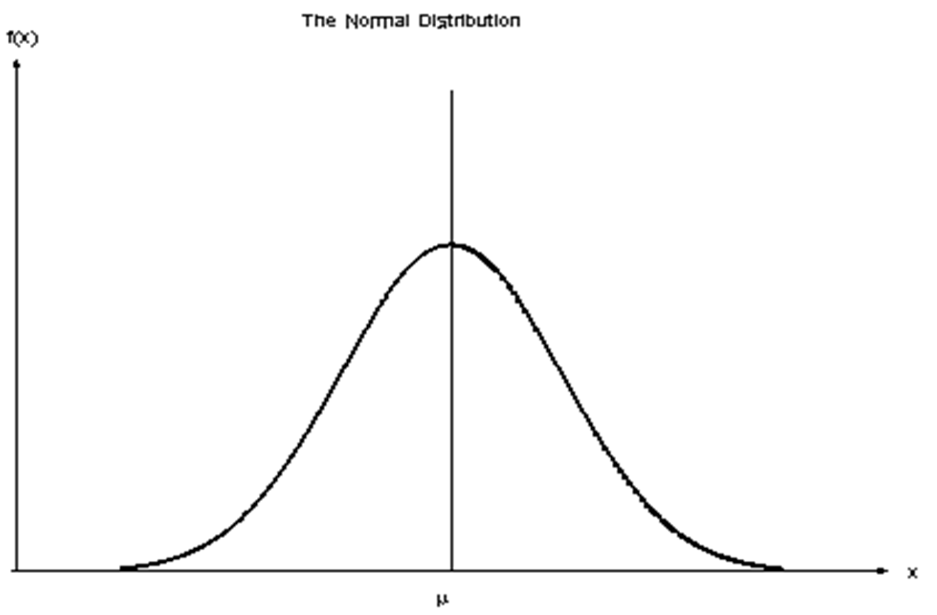

Ha Acceptance
Ha Rejection
Ha Acceptance
Ha Acceptance
Ha Rejection

Ha Rejection
Ha Acceptance

